Instructions
Custom Peptide Ordering Instructions

Enter Your Custom DNA Specifications in the template and send to sales@lifescb.com for quote.
Located on worksheet tab titled "Peptide Synthesis". You will find a form to enter the following information:
• | Oligo Name: Name of your peptide, limited to 18 characters
• | Sequence: Up to 200aa
• | Scale: Choose the quality of peptide (1-4 mg, 5-9 mg etc.)
• | Purification: Choose purification(80%, 85%, 90% etc.)
• | Modifications: Choose modification(N,C terminal modification etc.)
• | Comments: Enter special ordering or handling instructions (optional)

List of modification
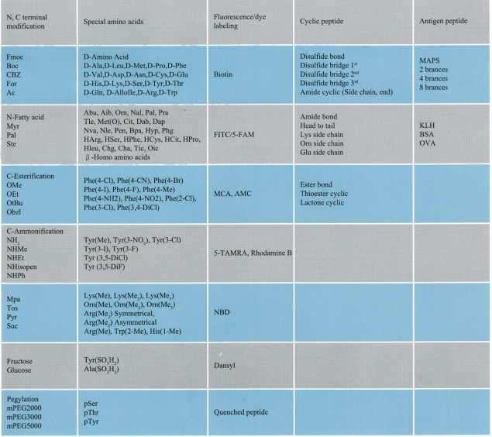

Questions:
Call us at +1-301-890-6420

